Sheet1
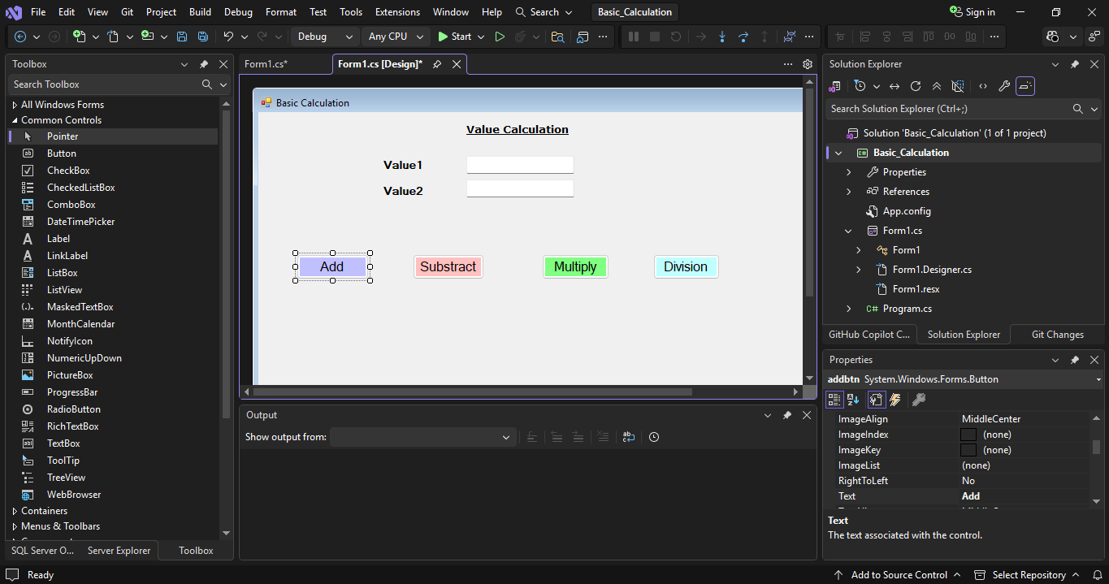

Click on Add button for coding

using System;
using System.Collections.Generic;
using System.ComponentModel;
using System.Data;
using System.Drawing;
using System.Linq;
using System.Text;
using System.Threading.Tasks;
using System.Windows.Forms;

namespace Basic_Calculation
{ |  | Default Code
public partial class Form1 : Form
{
public Form1()
{
InitializeComponent();
}

private void Form1_Load(object sender, EventArgs e)
{

}

private void label2_Click(object sender, EventArgs e)
{

}

private void textBox1_TextChanged(object sender, EventArgs e)
{

}

private void addbtn_Click(object sender, EventArgs e)
{

}
}
}

private void addbtn_Click(object sender, EventArgs e)
{
int value1 , value2 ;
int result;
value1 = int.Parse(textBox1.Text) ;
value2 = int.Parse(textBox2.Text) ;
result = value1 + value2;
//MessageBox.Show(result.ToString()); }
// we can define Test with concat symbol + this will show as message
MessageBox.Show("Addition is : "+result.ToString());
}

if want to keep output in separate level then add one more test box

using System;
using System.Collections.Generic;
using System.ComponentModel;
using System.Data;
using System.Diagnostics.Eventing.Reader;
using System.Drawing;
using System.Linq;
using System.Text;
using System.Threading.Tasks;
using System.Windows.Forms;

namespace Basic_Calculation
{
public partial class BasicCal : Form
{
public BasicCal()
{
InitializeComponent();
}

private void Form1_Load(object sender, EventArgs e)
{

}

private void label2_Click(object sender, EventArgs e)
{

}

private void textBox1_TextChanged(object sender, EventArgs e)
{

}

private void addbtn_Click(object sender, EventArgs e)
{
if (textBox1.Text != "" && textBox2.Text != "")
{
int value1, value2;
int result;
value1 = int.Parse(textBox1.Text); | //int.Parse for convert text to number
value2 = int.Parse(textBox2.Text);
result = value1 + value2;
//MessageBox.Show(result.ToString()); }
// we can define Test with concat symbol + this will show as message
// MessageBox.Show("Addition is : "+result.ToString());
label4.Text = "Addition is : " + result.ToString();
}
else
{
MessageBox.Show("Please fill numeric in value1 and value2 field");
}
}

private void substractbtn_Click(object sender, EventArgs e)
{
if (textBox1.Text != "" && textBox2.Text != "")
{
int value1, value2;
int result;
value1 = int.Parse(textBox1.Text);
value2 = int.Parse(textBox2.Text);
result = value1 - value2;
//MessageBox.Show(result.ToString()); }
// we can define Test with concat symbol + this will show as message
// MessageBox.Show("Addition is : "+result.ToString());
label4.Text = "Substraction is : " + result.ToString();
}
else
{
MessageBox.Show("Please fill numeric in value1 and value2 field");
}
}

private void multiplybtn_Click(object sender, EventArgs e)
{
if (textBox1.Text != "" && textBox2.Text != "")
{
int value1, value2;
int result;
value1 = int.Parse(textBox1.Text);
value2 = int.Parse(textBox2.Text);
result = value1 * value2;
//MessageBox.Show(result.ToString()); }
// we can define Test with concat symbol + this will show as message
// MessageBox.Show("Addition is : "+result.ToString());
label4.Text = "Multiplication is : " + result.ToString();
}
else
{
MessageBox.Show("Please fill numeric in value1 and value2 field");
}
}

private void divisionbtn_Click(object sender, EventArgs e)
{
if (textBox1.Text != "" && textBox2.Text != "")
{
int value1, value2;
int result;
value1 = int.Parse(textBox1.Text);
value2 = int.Parse(textBox2.Text);
result = value1 / value2;
//MessageBox.Show(result.ToString()); }
// we can define Test with concat symbol + this will show as message
// MessageBox.Show("Addition is : "+result.ToString());
label4.Text = "Division is : " + result.ToString();
}
else
{
MessageBox.Show("Please fill numeric in value1 and value2 field");
}
}
}
}

